Load and link data

 |  | Crystal Ball Custom Distribution

Problem: Load and link the data

Step 1 | After selecting the Custom Distribution, click "Load Data.."
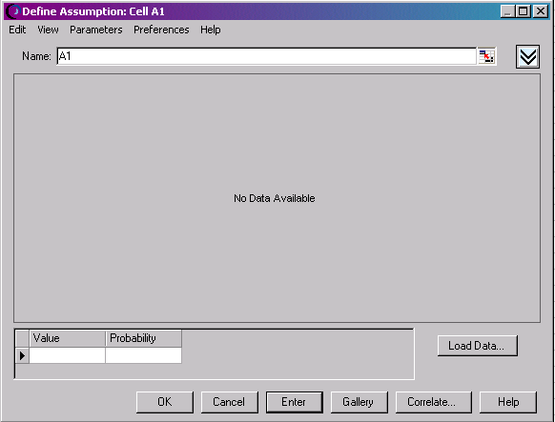

Step 2 | After clicking "Load Data…", click "Keep linked to Spreadsheet" and click the |  | sign
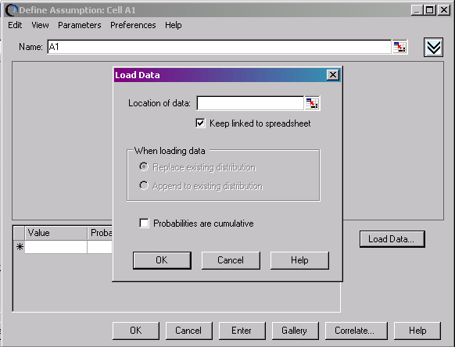

Step 3 | Now select the data you like to use for constructing a Custom Distribution… see the instructions in ModelAssist

Discrete Uniform
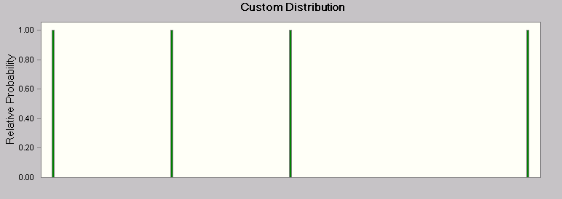
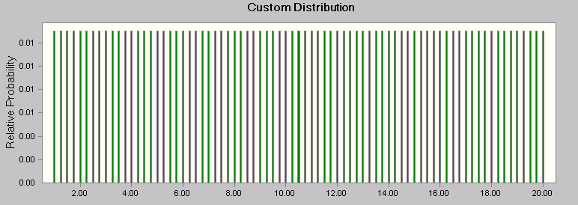
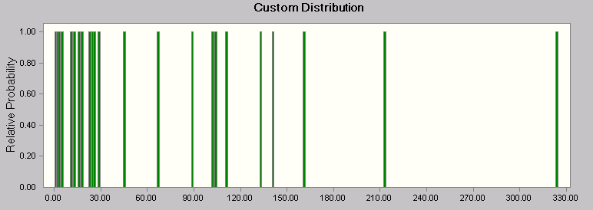
 |  | Crystal Ball Custom Distribution

Problem: Model a Discrete Uniform distribution

 | Method 1 | Method 2 |  |  |  |  |  | Method 3
Discrete distribution: | 3 | 67 |  |  |  |  |  | 12.5

 | Data | Data |  |  |  |  |  | Data
 | 1 | 1 | 11 | 23 | 45 | 103 | 161 | Min | Max | Prob | Step
 | 2 | 2 | 13 | 25 | 67 | 104 | 141 | 1 | 20 | 1 | 0.25
 | 3 | 3 | 16 | 26 | 89 | 111 | 133
 | 5 | 5 | 18 | 29 | 102 | 213 | 324

Method 1 has the same data formatting requirement as in Crystal Ball 5.5
Method 2 needs a 6-column format (in Crystal Ball 5.5 a 5-column format was needed).
Method 3 has the same data formatting requirement as in Crystal Ball 5.5

Discrete
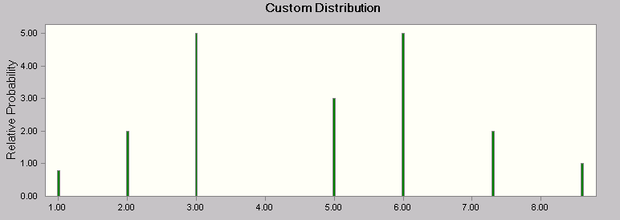
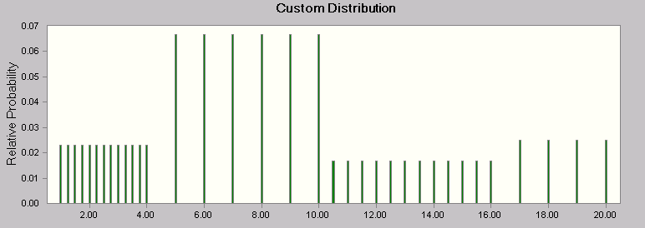
 |  |  | Crystal Ball Custom Distribution

Problem: Model a Discrete distribution

 |  | Method 1 | Method 2
Discrete distribution: |  | 6 | 18

 | Data |  | Data
 | x | p | Min | Max | Prob | Step
 | 1 | 0.8 | 1 | 4 | 0.3 | 0.25
 | 2 | 2 | 5 | 10 | 0.4 | 1
 | 3 | 5 | 10.5 | 16 | 0.2 | 0.5
 | 5 | 3 | 17 | 20 | 0.1 | 1
 | 6 | 5
 | 7.3 | 2
 | 8.6 | 1

Method 1 has the same data formatting requirement as in Crystal Ball 5.5
Method 2 has the same data formatting requirement as in Crystal Ball 5.5

General
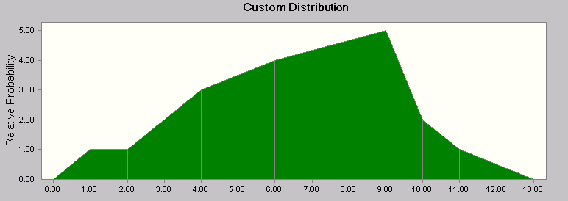
 |  |  | Crystal Ball Custom Distribution

Problem: Model a General Distribution

 | General distribution: |  | 4.8327608681
 |  |  |  | Sloping ranges data format
 | Ranked data | Empty | f(x) | Min | Max | Height Min | Height Max | Step
Minimum (guess) | 0 |  | 0 | 0 | 1 | 0 | 1
 | 1 |  | 1 |  | 2 |  | 1
 | 2 |  | 1 |  | 4 |  | 3
 | 4 |  | 3 |  | 6 |  | 4
 | 6 |  | 4 |  | 9 |  | 5
 | 9 |  | 5 |  | 10 |  | 2
 | 10 |  | 2 |  | 11 |  | 1
 | 11 |  | 1 |  | 13 |  | 0
Maximum (guess) | 13 |  | 0

Data formatting requirement as in Crystal Ball 5.5
Data formatting requirement as in Crystal Ball 7.0

Histogram
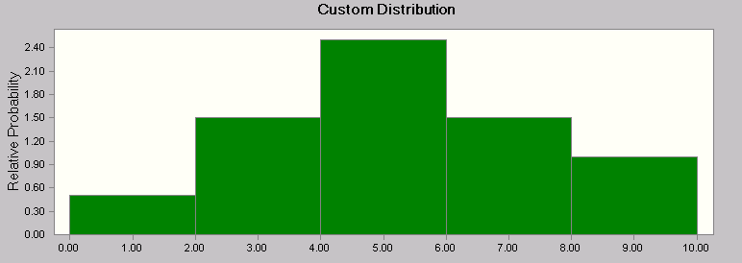

 |  |  |  | Crystal Ball Custom Distribution

Problem: Model a Histogram distribution

 |  |  | Method 1 |  |  | Method 2
Empirical distribution: |  |  | 4.4215946006 | or |  | 9.9111672211

Bins | Absolute Frequency |  |  | Relative frequency
Text | Min | Max | Absolute | Min | Max | Relative
 |  |  | 0 |  |  | 0
0-2 | 0 | 2 | 1 | 0 | 2 | 0.071428571429
2-4 | 2 | 4 | 3 | 2 | 4 | 0.21428571429
4-6 | 4 | 6 | 5 | 4 | 6 | 0.35714285714
6-8 | 6 | 8 | 3 | 6 | 8 | 0.21428571429
8-10 | 8 | 10 | 2 | 8 | 10 | 0.14285714286

 |  | Total: | 14 |  | Sum: | 1

Method 1 has the same data formatting requirement as in Crystal Ball 5.5
Method 2 has the same data formatting requirement as in Crystal Ball 5.5

Cumul
 |  |  | Crystal Ball Custom Distribution

Problem: Model a cumulative distribution

Cumulative distribution: |  | 5.7663086829
 |  |  | Crystal Ball 7.0 Data Format
 | Ranked data | F(x) | Ranked data | Max | F(x)
Min: | 0 | 0 | 0 | 2 | 0.1
 | 2 | 0.1 | 2 | 3 | 0.3
 | 3 | 0.3 | 3 | 5 | 0.5
 | 5 | 0.5 | 5 | 7 | 0.7
 | 7 | 0.7 | 7 | 9 | 0.9
 | 9 | 0.9 | 9 | 10 | 1
Max: | 10 | 1
Data formatting requirement as in Crystal Ball 7.0
Data formatting requirement as in Crystal Ball 5.5

 |  |  | …..the distributions below are exactly the same, they are just displayed differently……
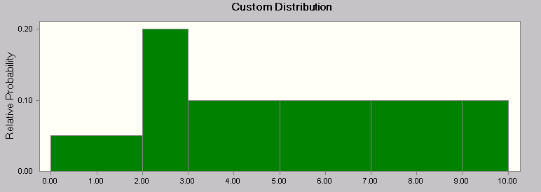
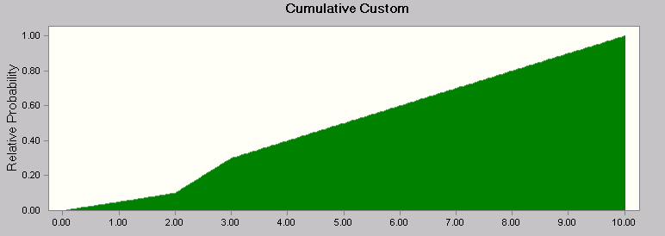

 | Figure 1. Probability distribution |  |  |  |  | Figure 2. Cumulative probability distribution

Combination
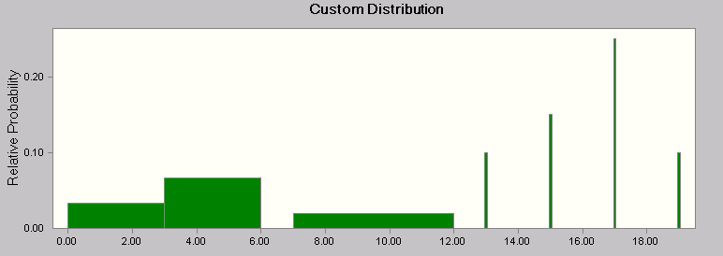
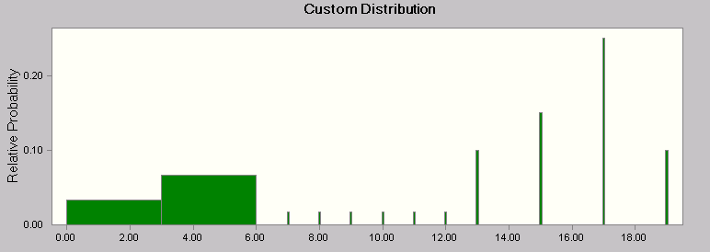
 |  |  | Crystal Ball Custom Distribution

Method 1 ----- (3-column) |  |  |  |  | Method 2 ---- (4-column)

Problem: Model a combination of a Discrete and Histogram distribution |  |  |  |  | Problem: Model a combination of a Discrete and Histogram distribution

3-column |  | 19 |  |  |  | 4-column |  | 3.5955162924

column 1 | column 2 | column 3 |  |  | column 1 | column 2 | column 3 | column 4
0 | 3 | 0.1 |  | Histogram | 0 | 3 | 0.1 |  | Histogram
3 | 6 | 0.2 |  | Histogram | 3 | 6 | 0.2 |  | Histogram
7 | 12 | 0.1 |  | Discrete | 7 | 12 | 0.1 | 1 | Discrete Uniform
13 |  | 0.1 |  | Discrete | 13 |  | 0.1 |  | Discrete
15 |  | 0.15 |  | Discrete | 15 |  | 0.15 |  | Discrete
17 |  | 0.25 |  | Discrete | 17 |  | 0.25 |  | Discrete
19 |  | 0.1 |  | Discrete | 19 |  | 0.1 |  | Discrete

Method 1 has the same data formatting requirement as in Crystal Ball 5.5
Method 2 has the same data formatting requirement as in Crystal Ball 5.5

